Sheet1

 |  |  | PT. HARMONI ARTHA SENTRA

 |  |  | General Supplier Marine, Oil & Gas, Sparepart, Safety First

 |  |  | Jalan Sabilillah, Desa / Kelurahan Medansatria
 |  |  | Kec. Medansatria, Kota Bekasi, Jawa Barat, 17132
 |  |  | No Telp : 0877-9178-6187/0896-0247-3532
QUOTATION

 |  |  |  | No Quotation :
 |  |  |  | Tanggal :
Kepada Yth :

No | Description |  |  |  | Qty | Uom | Harga Unit Price (Rp) | Total
1 |  |  |  |  |  |  | Rp- | Rp-
 |  |  |  |  | Sub Total |  |  | Rp-
 |  |  |  |  | Grand Total |  |  | Rp-

Note :
1 | Cash Before Delivery
2 | Validity 1 Week
3 | Delivery After Full Payment
4 | Delivery Time 1-15 Days

Terms And Condition
1 | Not Warranty
2 | Items Cannot be returned once purchased

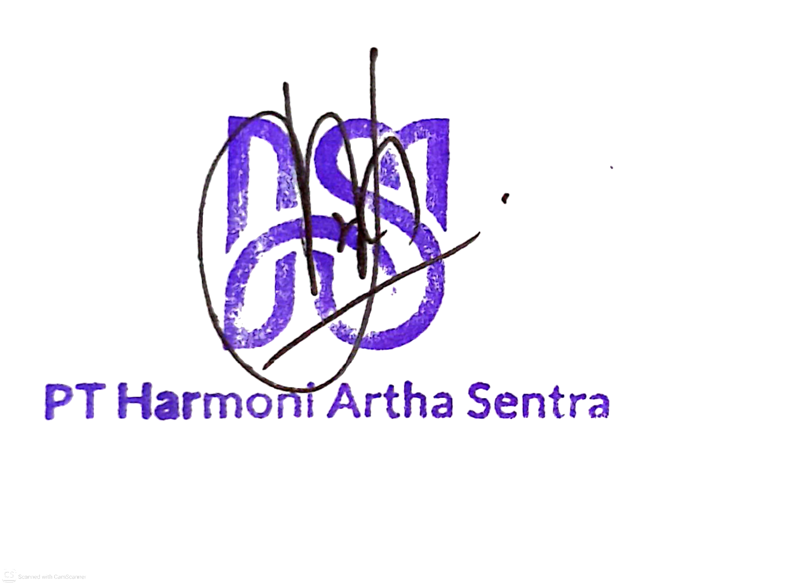
Bank Account : |  |  |  |  |  |  | Hormat Kami,
Pembayaran dilakukan ke rekening berikut :
No. Rekening : |  | 006-00-5399988-8 (Mandiri)
Atas Nama : |  | PT HARMONI ARTHA SENTRA

 |  |  |  |  |  |  | PT. Harmoni Artha Sentra

